Summary
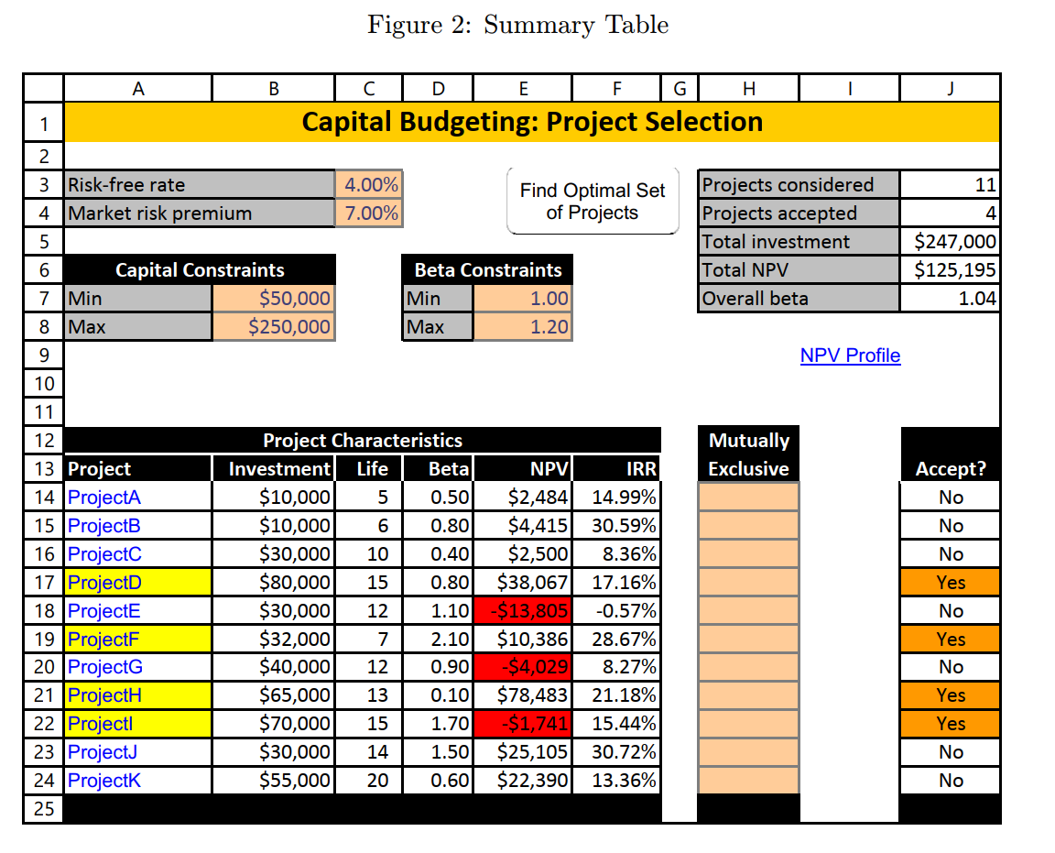
Capital Budgeting: Project Selection |  |  |  |  |  |  |  |  |  |  |  | X
How this works:
- Modify ONLY the organe cells.
Risk‐free rate | 4.00% |  |  |  |  | Projects considered | 11
Market risk premium | 7.00% |  |  |  |  | Projects accepted | 6 |  |  |  |  | Mutually Exclusive | Dj
 |  |  |  |  |  | Total investment | $237,000 |  |  |  | 0 | 0 | 1
Capital Constraints |  |  | Beta Constraints |  |  | Total NPV | $117,217 |  |  |  | 0 | 1 | 0
Min | $50,000 |  | Min | 1.00 |  | Overall beta | 1.07 |  |  |  | 0 | 0 | 1
Max | $250,000 |  | Max | 1.20 |  |  |  |  |  |  | 0 | 1 | 0
 |  |  |  |  |  |  |  |  | NPV Profile |  | 0 | 0 | 0
 |  |  |  |  |  |  |  |  |  |  | 1 | 1 | 1
 |  |  |  |  |  |  |  |  |  |  | 0 | 0 | 0
Project Characteristics |  |  |  |  |  | Mutually Exclusive |  | Accept ? |  |  | 0 | 0 | 1
Project | Investment | Life | Beta | NPV | IRR |  |  |  |  |  | 0 | 0 | 1
ProjectA | $10,000 | 5 | 0.5 | 2,484 | 14.99% |  |  | Yes |  |  | 0 | 0 | 1
ProjectB | $10,000 | 6 | 0.8 | 4,415 | 30.59% | X |  | No |  |  | 0 | 0 | 0
ProjectC | $30,000 | 10 | 0.4 | 2,500 | 8.36% |  |  | Yes |  | Sum = | 1 | 1
ProjectD | $80,000 | 15 | 0.8 | 38,067 | 18.43% | X |  | No |  | Should be <=1 | 1
ProjectE | $30,000 | 12 | 1.1 | -13,805 | -0.57% |  |  | No
ProjectF | $32,000 | 7 | 2.1 | 10,386 | 28.67% | X |  | Yes
ProjectG | $40,000 | 12 | 0.9 | -4,029 | 8.27% |  |  | No
ProjectH | $65,000 | 13 | 0.1 | 78,483 | 21.18% |  |  | Yes
ProjectI | $70,000 | 15 | 1.7 | -1,741 | 15.44% |  |  | Yes
ProjectJ | $30,000 | 14 | 1.5 | 25,105 | 30.72% |  |  | Yes
ProjectK | $55,000 | 20 | 0.6 | 22,390 | 13.36% |  |  | No

NPV Profile
How this works:
- Select desired project from the dropdown menu in projects
Summary |  |  | Discount rate range for NPV Profile
Project | ProjectA
 |  |  | Min | -30%
 |  |  | Max | 70%
Life | 5 | years |  |  |  |  | NPV Profile for | NPV Profile for ProjectA

Year | E(CF)
0 | $(10,000.00)
1 | $2,000.00 |  |  | Data Table with formulated rates |  | Ask why with Formalted Rate the numbers are incorrect
2 | $2,000.00 |  | NPV | NPV | 52,094.37
3 | $3,000.00 |  | -30% | -0.30 | 52,094.37
4 | $4,000.00 |  | -25% | -0.25 | 37,045.27
NPV Profile for ProjectA
5 | $5,000.00 |  | -20% | -0.20 | 18,937.59
6 | $- |  | -15% | -0.15 | 6,000.00
7 | $- |  | -10% | -0.10 | (1,269.93)
8 | $- |  | -5% | -0.05 | (5,000.45)
9 | $- |  | 0% | 0.00 | (6,913.19)
10 | $- |  | 5% | 0.05 | (7,942.06)
11 | $- |  | 10% | 0.10 | (8,534.40)
12 | $- |  | 15% | 0.15 | (8,900.16)
13 | $- |  | 20% | 0.20 | -9140.74
14 | $- |  | 25% | 0.25 | -9307.62
15 | $- |  | 30% | 0.30 | -9428.52
16 | $- |  | 35% | 0.35 | -9519.23
17 | $- |  | 40% | 0.40 | -9589.27
18 | $- |  | 45% | 0.45 | -9644.61
19 | $- |  | 50% | 0.50 | -9689.19
20 | $- |  | 55% | 0.55 | -9725.69
21 | $- |  | 60% | 0.60 | -9756.00
 |  |  | 65% | 0.65 | -9781.46
 |  |  | 70% | 0.70 | -9803.07

 |  |  |  | Data Table with Fix rates
 |  |  |  | NPV | 52,094.37
 |  |  |  | -0.30 | 52,094.37
 |  |  |  | -0.25 | 37,045.27
 |  |  |  | -0.20 | 26,508.79
 |  |  |  | -0.15 | 18,937.59
 |  |  |  | -0.10 | 13,370.76
 |  |  |  | -0.05 | 9,193.11
 |  |  |  | 0.00 | 6,000.00
 |  |  |  | 0.05 | 3,518.77
 |  |  |  | 0.10 | 1,561.68
 |  |  |  | 0.15 | -3.14
 |  |  |  | 0.20 | -1,269.93
 |  |  |  | 0.25 | -2,307.20
 |  |  |  | 0.30 | -3,165.45
 |  |  |  | 0.35 | -3,882.46
 |  |  |  | 0.40 | -4,486.82
 |  |  |  | 0.45 | -5,000.45
 |  |  |  | 0.50 | -5,440.33
 |  |  |  | 0.55 | -5,819.73
 |  |  |  | 0.60 | -6,149.14
 |  |  |  | 0.65 | -6,436.92
 |  |  |  | 0.70 | -6,689.79

ProjectA
How this works:
- Modify ONLY the organe cells.
Summary
 | Details of Capital Project: Project A

Life | 5 | years | Discount rate | 7.50%
Beta | 0.5 |  | Net present value | $2,484.01
 |  |  | Internal rate of return | 14.99%
Year | E(CF) |  | Accounting rate of return | 12.00%
0 | $(10,000.00)
1 | $2,000.00
2 | $2,000.00
3 | $3,000.00
4 | $4,000.00
5 | $5,000.00
6
7
8
9
10
11
12
13
14
15
16
17
18
19
20
21
22
23
24
25
26

ProjectB
How this works:
- Modify ONLY the organe cells.
Summary
 | Details of Capital Project: Project B

Life | 6 | years | Discount rate | 9.60%
Beta | 0.8 |  | Net present value | $4,415.27
 |  |  | Internal rate of return | 30.59%
Year | E(CF) |  | Accounting rate of return | 13.33%
0 | $(10,000.00)
1 | $8,000.00
2 | $2,000.00
3 | $3,000.00
4 | $2,000.00
5 | $1,000.00
6 | $2,000.00
7
8
9
10
11
12
13
14
15
16
17
18
19
20
21
22
23
24
25
26

ProjectC
How this works:
- Modify ONLY the organe cells.
Summary
 | Details of Capital Project: Project C

Life | 10 | years | Discount rate | 6.80%
Beta | 0.4 |  | Net present value | $2,499.50
 |  |  | Internal rate of return | 8.36%
Year | E(CF) |  | Accounting rate of return | 6.00%
0 | $(30,000.00)
1 | $4,000.00
2 | $4,000.00
3 | $4,000.00
4 | $4,000.00
5 | $4,000.00
6 | $4,000.00
7 | $4,000.00
8 | $4,000.00
9 | $4,000.00
10 | $12,000.00
11
12
13
14
15
16
17
18
19
20
21
22
23
24
25
26

ProjectD
How this works:
- Modify ONLY the organe cells.
Summary
 | Details of Capital Project: Project D

Life | 15 | years | Discount rate | 9.60%
Beta | 0.8 |  | Net present value | $38,066.79
 |  |  | Internal rate of return | 18.43%
Year | E(CF) |  | Accounting rate of return | 19.75%
0 | $(80,000.00)
1 | $20,000.00
2 | $20,000.00
3 | $30,000.00
4 | $20,000.00
5 | $(40,000.00)
6 | $12,000.00
7 | $15,000.00
8 | $20,000.00
9 | $20,000.00
10 | $20,000.00
11 | $20,000.00
12 | $20,000.00
13 | $20,000.00
14 | $20,000.00
15 | $20,000.00
16 | $20,000.00
17 | $20,000.00
18 | $20,000.00
19 | $20,000.00
20
21
22
23
24
25
26

ProjectE
How this works:
- Modify ONLY the organe cells.
Summary
 | Details of Capital Project: Project E

Life | 12 | years | Discount rate | 11.70%
Beta | 1.1 |  | Net present value | $(13,805.38)
 |  |  | Internal rate of return | -0.57%
Year | E(CF) |  | Accounting rate of return | -0.28%
0 | $(30,000.00)
1 | $3,000.00
2 | $3,000.00
3 | $3,000.00
4 | $3,000.00
5 | $3,000.00
6 | $2,000.00
7 | $2,000.00
8 | $2,000.00
9 | $2,000.00
10 | $2,000.00
11 | $2,000.00
12 | $2,000.00
13
14
15
16
17
18
19
20
21
22
23
24
25
26

ProjectF
How this works:
- Modify ONLY the organe cells.
Summary
 | Details of Capital Project: Project F

Life | 7 | years | Discount rate | 18.70%
Beta | 2.1 |  | Net present value | $10,386.01
 |  |  | Internal rate of return | 28.67%
Year | E(CF) |  | Accounting rate of return | 23.21%
0 | $(32,000.00)
1 | $8,000.00
2 | $12,000.00
3 | $12,000.00
4 | $12,000.00
5 | $11,000.00
6 | $9,000.00
7 | $20,000.00
8
9
10
11
12
13
14
15
16
17
18
19
20
21
22
23
24
25
26

ProjectG
How this works:
- Modify ONLY the organe cells.
Summary
 | Details of Capital Project: Project G

Life | 12 | years | Discount rate | 10.30%
Beta | 0.9 |  | Net present value | $(4,029.01)
 |  |  | Internal rate of return | 8.27%
Year | E(CF) |  | Accounting rate of return | 5.42%
0 | $(40,000.00)
1 | $5,000.00
2 | $5,000.00
3 | $5,000.00
4 | $5,000.00
5 | $5,000.00
6 | $5,000.00
7 | $6,000.00
8 | $6,000.00
9 | $6,000.00
10 | $6,000.00
11 | $6,000.00
12 | $6,000.00
13
14
15
16
17
18
19
20
21
22
23
24
25
26

ProjectH
How this works:
- Modify ONLY the organe cells.
Summary
 | Details of Capital Project: Project H

Life | 13 | years | Discount rate | 4.70%
Beta | 0.1 |  | Net present value | $78,483.41
 |  |  | Internal rate of return | 21.18%
Year | E(CF) |  | Accounting rate of return | 15.38%
0 | $(65,000.00)
1 | $15,000.00
2 | $15,000.00
3 | $15,000.00
4 | $15,000.00
5 | $15,000.00
6 | $15,000.00
7 | $15,000.00
8 | $15,000.00
9 | $15,000.00
10 | $15,000.00
11 | $15,000.00
12 | $15,000.00
13 | $15,000.00
14
15
16
17
18
19
20
21
22
23
24
25
26

ProjectI
How this works:
- Modify ONLY the organe cells.
Summary
 | Details of Capital Project: Project I

Life | 15 | years | Discount rate | 15.90%
Beta | 1.7 |  | Net present value | $(1,740.95)
 |  |  | Internal rate of return | 15.44%
Year | E(CF) |  | Accounting rate of return | 12.86%
0 | $(70,000.00)
1 | $5,000.00
2 | $8,000.00
3 | $12,000.00
4 | $15,000.00
5 | $15,000.00
6 | $15,000.00
7 | $15,000.00
8 | $15,000.00
9 | $15,000.00
10 | $15,000.00
11 | $15,000.00
12 | $15,000.00
13 | $15,000.00
14 | $15,000.00
15 | $15,000.00
16
17
18
19
20
21
22
23
24
25
26

ProjectJ
How this works:
- Modify ONLY the organe cells.
Summary
 | Details of Capital Project: Project J

Life | 14 | years | Discount rate | 14.50%
Beta | 1.5 |  | Net present value | $25,105.23
 |  |  | Internal rate of return | 30.72%
Year | E(CF) |  | Accounting rate of return | 20.95%
0 | $(30,000.00)
1 | $2,000.00
2 | $3,000.00
3 | $23,000.00
4 | $20,000.00
5 | $14,000.00
6 | $12,000.00
7 | $9,000.00
8 | $5,000.00
9 | $5,000.00
10 | $5,000.00
11 | $5,000.00
12 | $5,000.00
13 | $5,000.00
14 | $5,000.00
15
16
17
18
19
20
21
22
23
24
25
26

ProjectK
How this works:
- Modify ONLY the organe cells.
Summary
 | Details of Capital Project: Project K

Life | 20 | years | Discount rate | 8.20%
Beta | 0.6 |  | Net present value | $22,389.81
 |  |  | Internal rate of return | 13.36%
Year | E(CF) |  | Accounting rate of return | 9.55%
0 | $(55,000.00)
1 | $8,000.00
2 | $8,000.00
3 | $8,000.00
4 | $8,000.00
5 | $8,000.00
6 | $8,000.00
7 | $8,000.00
8 | $8,000.00
9 | $8,000.00
10 | $8,000.00
11 | $8,000.00
12 | $8,000.00
13 | $8,000.00
14 | $8,000.00
15 | $8,000.00
16 | $8,000.00
17 | $8,000.00
18 | $8,000.00
19 | $8,000.00
20 | $8,000.00
21
22
23
24
25
26

